Sheet1
Variable To Measure | Image for Reference | Longer Distance |  | Shorter Distance |  | Notes
 |  | Point A | Point B | Point A | Point B
1. (Eyes to Nose Flair) to Nose Base | 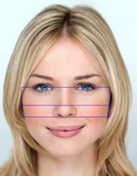 | Average y-axis of 37, 40, 43, 46 | Average y axis of 30 and 31 | Average y axis of 30 and 31 | Highest y axis of 32 to 36 | 1. Use The image on the left as a reference for the numbers 2. There is an extra keypoint (Keypoint 69) which has been manually added and is not included in the image. It represents the topmost point of the head 3. The underlined parts are the longer distances 4. Images on the left is taken from the video in the link on the right | 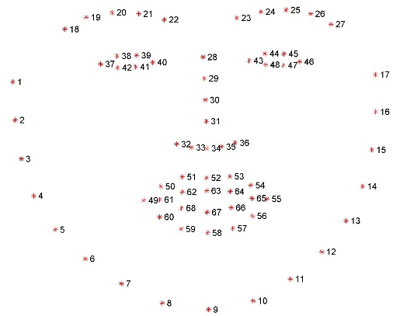
2. (Eyes to Nostril top) to Centre of lips | 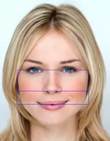 | Average y-axis of 37, 40, 43, 46 | Average y axis of 31 and 34 | Average y axis of 31 and 34 | Average y axis of 62, 63, 64, 66, 67 and 68 |  | Facial Beauty Analysis and the Golden Ratio (Phi, 1.618), featuring Florence Colgate and PhiMatrix - YouTube
3. (Eyes to Nose base) to Bottom of lips |  | Average y-axis of 37, 40, 43, 46 | Highest y-axis between 32 to 36 | Highest y-axis between 32 to 36 | Highest y axis between 56 to 60
4. (Eyes to Centre of lips) to Bottom of Chin | 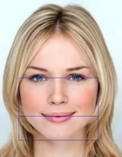 | Average y-axis of 37, 40, 43, 46 | Average y axis of 62, 63, 64, 66, 67 and 68 | Average y axis of 62, 63, 64, 66, 67 and 68 | Highest y axis between 7 to 11
5. (Nose Flair to Bottom of Lips) to Bottom of Chin |  | Average y axis of 30 and 31 | Highest y axis between 56 to 60 | Highest y axis between 56 to 60 | Highest y axis between 7 to 11
6. (Nose Flair to Top of Lips) to Bottom of Chin |  | Highest y axis between 7 to 11 | Lowest y-axis between 50 to 54 | Lowest y-axis between 50 to 54 | Average y axis of 30 and 31
7. (Top of Lips to Bottom of lips) to Bottom of Chin |  | Highest y axis between 7 to 11 | Highest y axis between 56 to 60 | Highest y axis between 56 to 60 | Lowest y-axis between 50 to 54
8. (Top of Lips to Centre of lips) to Bottom of Lips |  | Average y axis of 62, 63, 64, 66, 67 and 68 | Highest y axis between 56 to 60 | Average y axis of 62, 63, 64, 66, 67 and 68 | Lowest y-axis between 50 to 54
9. (Top of Eyebrows to Top of eyes) to Bottom of eyes | 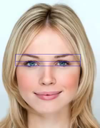 | lowest y-axis between 18 to 27 | Lowest y-axis between 38, 39, 44, 45 | Lowest y-axis between 38, 39, 44, 45 | Highest y-axis between 42, 41, 48, 47
10. (Top of Eyebrows to Top of lips) to Bottom of Chin |  | lowest y-axis between 18 to 27 | Lowest y-axis between 50 to 54 | Lowest y-axis between 50 to 54 | Highest y axis between 7 to 11
11a. (Left Side of Face to Left Side of eyes) to Centre of Left Pupil | 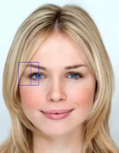 | lowest x-axis between 1 to 4 | x-axis of 37 | x-axis of 37 | Average x-axis between 38, 39, 41, 42
11b. (Right Side of Face to Right Side of eyes) to Centre of Right Pupil | 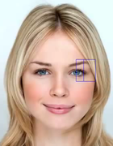 | Higest x-axis between 17 to 14 | x-axis of 46 | x-axis of 46 | Average x-axis between 44, 45, 47, 48
12a. (Left Side of Face to Left Side of Iris) to Other Side of Left eye |  | lowest x-axis between 1 to 4 | Average x-axis between 38 and 42 | Average x-axis between 38 and 42 | x-axis of 40
12b. (Right Side of Face to Right Side of Iris) to Other Side of Right eye | 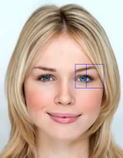 | Higest x-axis between 17 to 14 | Average x-axis between 45 and 47 | Average x-axis between 45 and 47 | x-axis of 43
13a. (Left Side of Face to Left Side of Iris) to Centre of Face |  | lowest x-axis between 1 to 4 | Average x-axis between 39 and 41 | Average x-axis between 39 and 41 | the average between (lowest x-axis between 1 to 4) and (Higest x-axis between 17 to 14)]
13b. (Right Side of Face to Right Side of Iris) to Centre of Face | 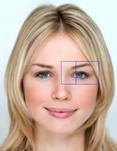 | Higest x-axis between 17 to 14 | Average x-axis between 45 and 47 | Average x-axis between 45 and 47 | the average between (lowest x-axis between 1 to 4) and (Higest x-axis between 17 to 14)]
14a. (Left Side of Face to Side of Left eye) to the Right eye |  | lowest x-axis between 1 to 4 | x-axis of 40 | x-axis of 40 | x-axis of 43
14b. (Right Side of Face to Side of Right eye) to the Left eye | 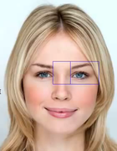 | Higest x-axis between 17 to 14 | x-axis of 43 | x-axis of 43 | x-axis of 40
15a. (Left Side of Face to Centre of Face) to the Right eye | 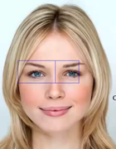 | lowest x-axis between 1 to 4 | the average between (lowest x-axis between 1 to 4) and (Higest x-axis between 17 to 14)] | the average between (lowest x-axis between 1 to 4) and (Higest x-axis between 17 to 14)] | x-axis of 46
15b. (Right Side of Face to Centre of Face) to the Left eye |  | Higest x-axis between 17 to 14 | the average between (lowest x-axis between 1 to 4) and (Higest x-axis between 17 to 14)] | the average between (lowest x-axis between 1 to 4) and (Higest x-axis between 17 to 14)] | x-axis of 37
16a. (Left Side of Face to Inside Right eye) to Right side of face | 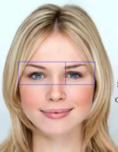 | lowest x-axis between 1 to 4 | x-axis of 43 | x-axis of 43 | Higest x-axis between 17 to 14
16b. (Right Side of Face to Inside Left eye) to Left side of face |  | Higest x-axis between 17 to 14 | x-axis of 40 | x-axis of 40 | lowest x-axis between 1 to 4
17a. (Left Side of Eye to Left Flair of Nose) to Right Flair of Nose | 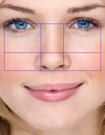 | x-axis of 37 | Average x-axis between 32 and 33 | Average x-axis between 32 and 33 | Average x-axis between 35 and 36
17b. (Right Side of Eye to Right Flair of Nose) to Left Flair of Nose |  | x-axis of 46 | Average x-axis between 35 and 36 | Average x-axis between 35 and 36 | Average x-axis between 32 and 33
18a. (Centre of Left Pupil to Top of Nose Flair) to bottom of nose | 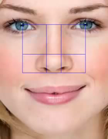 | Average y-axis between 38, 39, 41, 42 | Average y axis of 30 and 31 | Average y axis of 30 and 31 | highest y-axis between 32 to 36
18b. (Centre of Right Pupil to Top of Nose Flair) to bottom of nose |  | Average y-axis between 44, 45, 47, 48 | Average y axis of 30 and 31 | Average y axis of 30 and 31 | highest y-axis between 32 to 36
19a. (Centre of Left Pupil to Centre of Left Nostril) to Centre of Right Nostril |  | Average x-axis between 38, 39, 41, 42 | x-axis of 33 | x-axis of 33 | x-axis of 35
19b. (Centre of Right Pupil to Centre of Right Nostrils) to Centre of Left Nostril |  | Average x-axis between 44, 45, 47, 48 | x-axis of 35 | x-axis of 35 | x-axis of 33
20Ha. (Inside of Left Eye to Left Nose Bridge) to Right Nose Bridge | 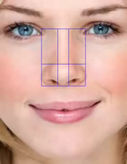 | x-axis of 40 | average x-axis between 33 and 34 | average x-axis between 33 and 34 | average x-axis between 34 and 35
20Hb. (Inside of Right Eye to Right Nose Bridge) to Left Nose Bridge |  | x-axis of 43 | average x-axis between 34 and 35 | average x-axis between 34 and 35 | average x-axis between 33 and 34
20Va. (Inside of Left Eye to Top of Nose Flair) to bottom of Nose[Duplicate of 18a] |  | x-axis of 40 | Average y axis of 30 and 31 | Average y axis of 30 and 31 | highest y-axis between 32 to 36
20Vb. (Inside of Right Eye to Top of Nose Flair) to bottom of Nose[Duplicate of 18b] |  | x-axis of 43 | Average y axis of 30 and 31 | Average y axis of 30 and 31 | highest y-axis between 32 to 36
21Ha. (Left Side of Mouth to Cupid’s Left bow point of lips) to Cupid’s Right bow point of lips | 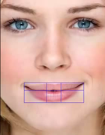 | lowest x-axis between 49 and 61 | x-axis of 51 | x-axis of 51 | x-axis of 53
21Hb. (Right Side of Mouth to Cupid’s Right bow point of lips) to Cupid’s Left bow point of lips |  | highest x-axis between 65 and 55 | x-axis of 53 | x-axis of 53 | x-axis of 51
21V. Height of top lip to Height of bottom lip [DUPLICATE OF 8] |  | highest y-axis between 57 to 59 | Average y axis of 62, 63, 64, 66, 67 and 68 | Average y axis of 62, 63, 64, 66, 67 and 68 | lowest y-axis between 51 to 53
22. (Bottom of nose to Top of lips) to Bottom of lips | 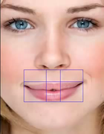 | lowest y-axis between 51 to 53 | highest y-axis between 56 to 60 | highest y-axis between 32 to 36 | lowest y-axis between 51 to 53
23. Head Height to Head Width | 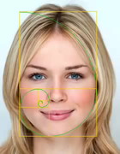 | 69(y-axis) | Highest y axis between 7 to 11 | lowest x-axis between 1 to 4 | highest x-axis between 14 to 17

